AB_finger
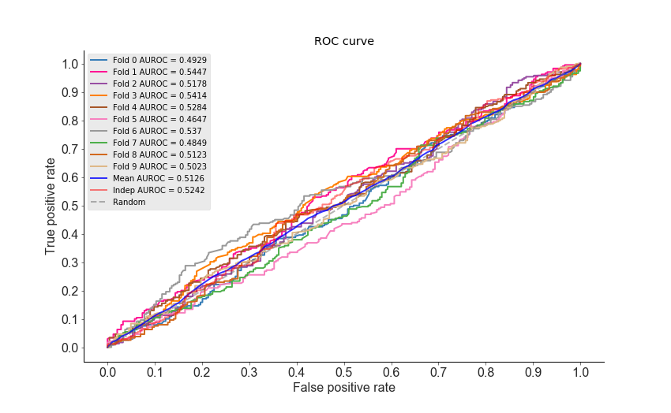
 | Sn | Sp | Pre | Acc | MCC | F1 | AUROC | AUPRC
Fold 0 | 42.5 | 54.92 | 48.11 | 48.76 | -0.026 | 0.4513 | 0.4929 | 0.4937
Fold 1 | 44.17 | 60.66 | 52.48 | 52.48 | 0.0489 | 0.4796 | 0.5447 | 0.5557
Fold 2 | 43.75 | 59.02 | 51.22 | 51.45 | 0.028 | 0.4719 | 0.5178 | 0.5035
Fold 3 | 42.68 | 64.34 | 53.97 | 53.62 | 0.0719 | 0.4766 | 0.5414 | 0.532
Fold 4 | 37.24 | 66.8 | 52.35 | 52.17 | 0.0423 | 0.4352 | 0.5284 | 0.533
Fold 5 | 38.08 | 54.92 | 45.27 | 46.58 | -0.0711 | 0.4136 | 0.4647 | 0.48
Fold 6 | 45.42 | 62.55 | 54.5 | 54.04 | 0.0809 | 0.4955 | 0.537 | 0.5375
Fold 7 | 37.92 | 59.67 | 48.15 | 48.86 | -0.0247 | 0.4242 | 0.4849 | 0.4903
Fold 8 | 44.17 | 60.49 | 52.48 | 52.38 | 0.0472 | 0.4796 | 0.5123 | 0.4966
Fold 9 | 47.92 | 53.09 | 50.22 | 50.52 | 0.01 | 0.4904 | 0.5023 | 0.5091
Mean | 42.385 | 59.646 | 50.875 | 51.086 | 0.0207 | 0.4618 | 0.5126 | 0.5131
Indep | 44.16 | 62.88 | 55.25 | 53.35 | 0.0716 | 0.4909 | 0.5242 | 0.5211

Summary
Model Type | Performance Model with External Data |  |  |  |  |  |  |  | Performance Model with Validation Data
 | Sn | Sp | Pre | Acc | MCC | F1 | AUROC | AUPRC | Sn | Sp | Pre | Acc | MCC | F1 | AUROC | AUPRC
AB | 44.16 | 62.88 | 55.25 | 53.35 | 0.0716 | 0.4909 | 0.5242 | 0.5211 | 42.385 | 59.646 | 50.875 | 51.086 | 0.0207 | 0.4618 | 0.5126 | 0.5131
BAG | 64.23 | 64.39 | 65.19 | 64.31 | 0.2862 | 0.6471 | 0.6822 | 0.6839 | 60.535 | 60.961 | 60.433 | 60.748 | 0.215 | 0.6047 | 0.6486 | 0.6377
DT | 63.14 | 57.2 | 60.49 | 60.22 | 0.2037 | 0.6179 | 0.6554 | 0.6731 | 62.785 | 56.61 | 58.786 | 59.674 | 0.1944 | 0.607 | 0.6083 | 0.6607
GBDT | 54.74 | 62.12 | 60 | 58.36 | 0.1691 | 0.5725 | 0.619 | 0.6253 | 54.11 | 63.138 | 59.036 | 58.657 | 0.1732 | 0.5642 | 0.6143 | 0.6004
KNN | 59.12 | 62.12 | 61.83 | 60.59 | 0.2125 | 0.6045 | 0.6377 | 0.6594 | 57.284 | 59.447 | 58.184 | 58.369 | 0.1674 | 0.577 | 0.6061 | 0.6272
LDA | 44.89 | 62.5 | 55.41 | 53.53 | 0.075 | 0.496 | 0.5217 | 0.5193 | 42.968 | 59.647 | 51.231 | 51.376 | 0.0267 | 0.4668 | 0.5169 | 0.5128
LGBM | 62.77 | 62.12 | 63.24 | 62.45 | 0.2489 | 0.63 | 0.6762 | 0.685 | 59.823 | 63.669 | 61.865 | 61.764 | 0.2355 | 0.6077 | 0.6536 | 0.6318
LR | 45.26 | 62.12 | 55.36 | 53.53 | 0.0748 | 0.498 | 0.5224 | 0.5185 | 42.883 | 59.606 | 51.154 | 51.313 | 0.0254 | 0.466 | 0.516 | 0.5134
MLP | 60.58 | 62.88 | 62.88 | 61.71 | 0.2346 | 0.6171 | 0.6754 | 0.6852 | 58.198 | 61.125 | 59.55 | 59.672 | 0.1934 | 0.5885 | 0.6368 | 0.6177
NB | 59.12 | 62.12 | 61.83 | 60.59 | 0.2125 | 0.6045 | 0.6377 | 0.6594 | 57.284 | 59.447 | 58.184 | 58.369 | 0.1674 | 0.577 | 0.6061 | 0.6272
QDA | 50.36 | 61.36 | 57.5 | 55.76 | 0.118 | 0.537 | 0.5878 | 0.5787 | 50.773 | 57.394 | 54.41 | 54.106 | 0.0919 | 0.4833 | 0.5573 | 0.5516
RF | 62.77 | 61.36 | 62.77 | 62.08 | 0.2414 | 0.6277 | 0.6665 | 0.6697 | 62.286 | 59.809 | 60.449 | 61.038 | 0.2211 | 0.6134 | 0.6488 | 0.6533
SGD | 12.77 | 87.12 | 50.72 | 49.26 | -0.0016 | 0.2041 | 0.5329 | 0.5261 | 37.449 | 63.777 | 49.951 | 50.694 | 0.0125 | 0.376 | 0.5113 | 0.5029
SVM | 51.09 | 59.47 | 56.68 | 55.2 | 0.106 | 0.5374 | 0.5721 | 0.5768 | 52.44 | 58.173 | 55.337 | 55.33 | 0.1066 | 0.5379 | 0.5612 | 0.5525
XGB | 62.04 | 67.05 | 66.15 | 64.5 | 0.2911 | 0.6403 | 0.6864 | 0.6992 | 60.243 | 63.382 | 61.83 | 61.823 | 0.2366 | 0.6099 | 0.6551 | 0.6337

Performance by Accuracy (Fingerprints Input)
Model Type | Test Acc | Val Acc
AB | 53.35 | 51.086
BAG | 64.31 | 60.748 |  |  |  |  |  |  |  |  |  | Performance of XGB model using fingerprints input
DT | 60.22 | 59.674 |  |  |  |  |  |  |  |  |  | Sn | Sp | Pre | Acc | MCC | AUROC | Bal. ACC
GBDT | 58.36 | 58.657 |  |  |  |  |  |  |  |  | validation data | 60.243 | 63.382 | 61.83 | 61.823 | 0.2366 | 0.6551 | 61.8125
KNN | 60.59 | 58.369 |  |  |  |  |  |  |  |  | test data | 62.04 | 67.05 | 66.15 | 64.5 | 0.2911 | 0.6864 | 64.545
LDA | 53.53 | 51.376
LGBM | 62.45 | 61.764
LR | 53.53 | 51.313
MLP | 61.71 | 59.672
NB | 60.59 | 58.369
QDA | 55.76 | 54.106
RF | 62.08 | 61.038
SGD | 49.26 | 50.694
SVM | 55.2 | 55.33
XGB | 64.5 | 61.823

